Reference
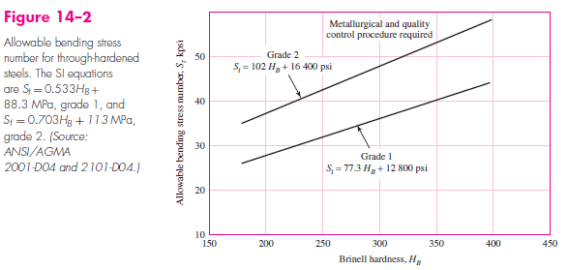
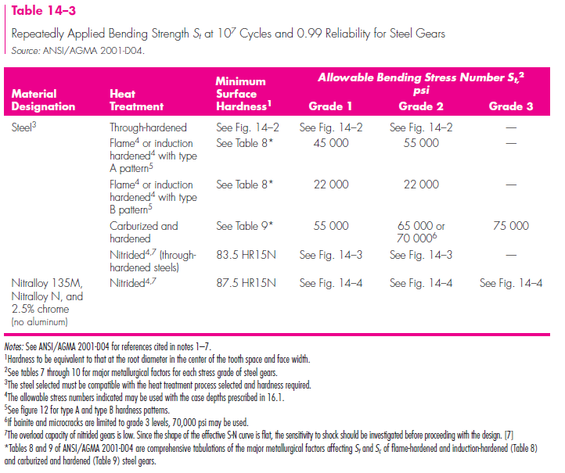
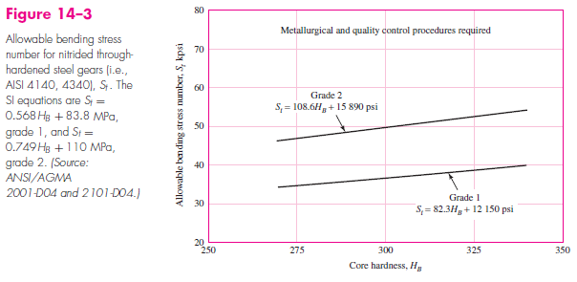
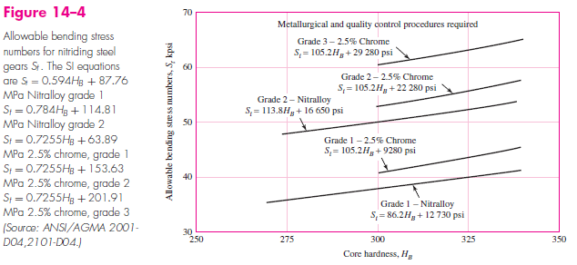
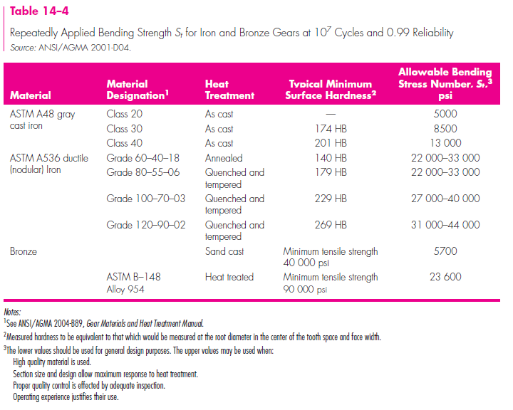
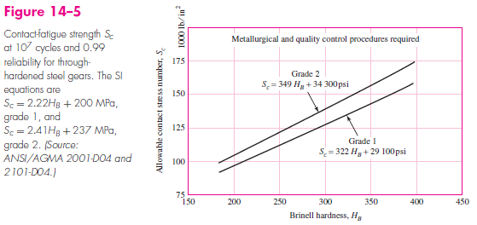
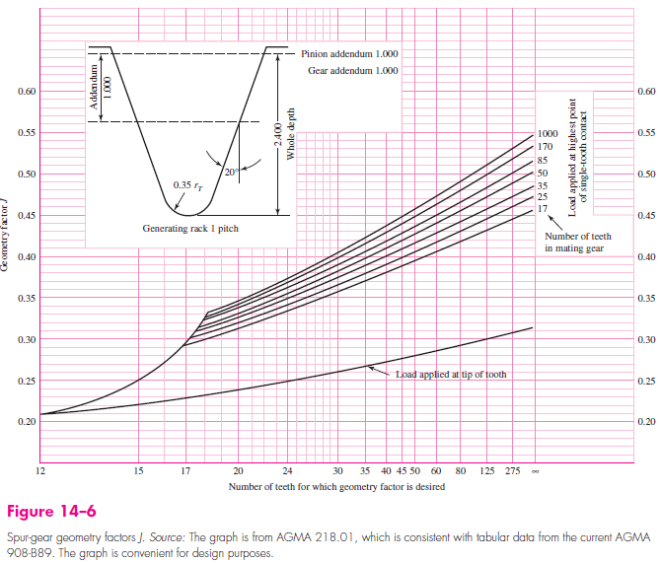
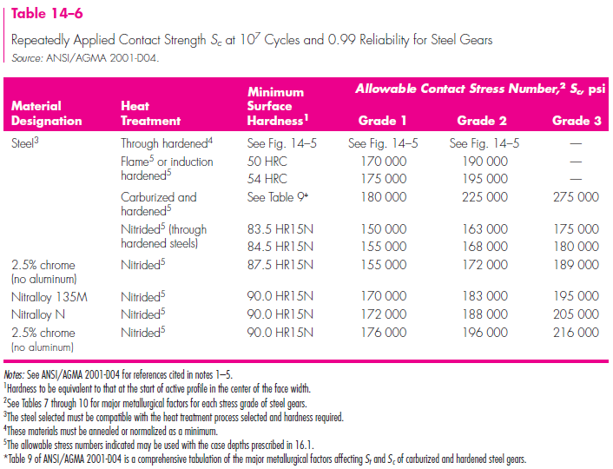
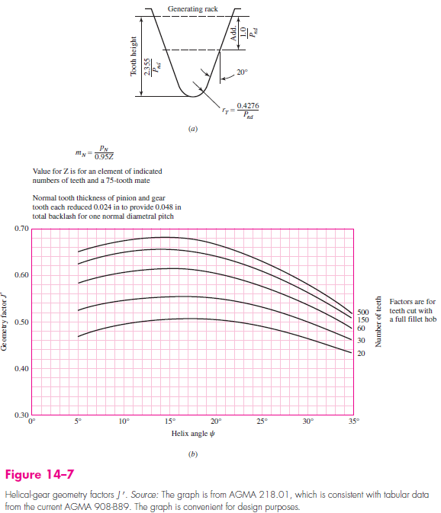
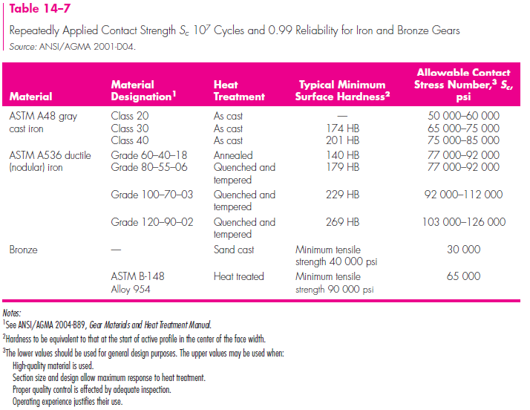
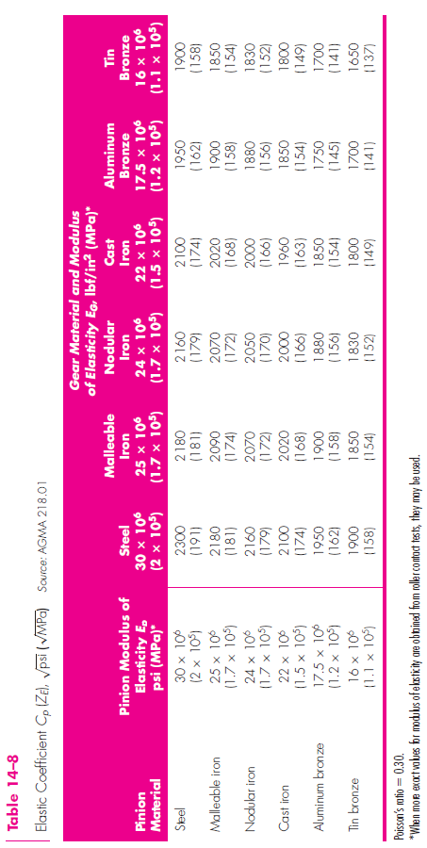
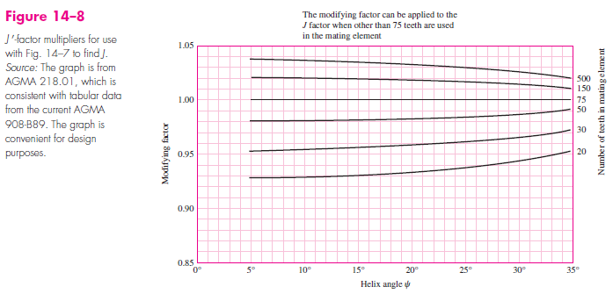
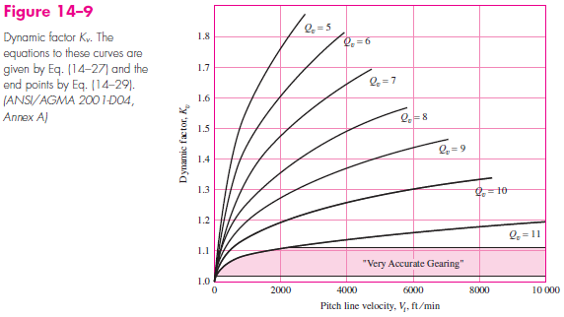
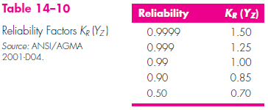
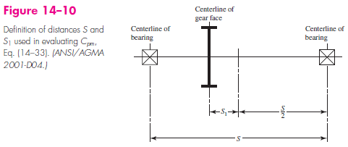
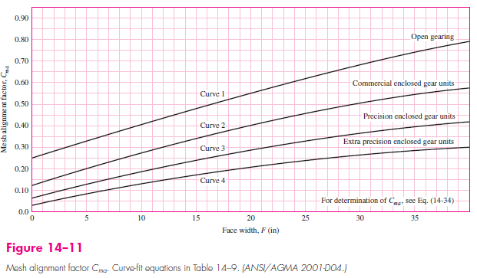
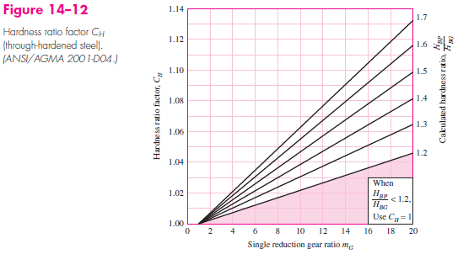
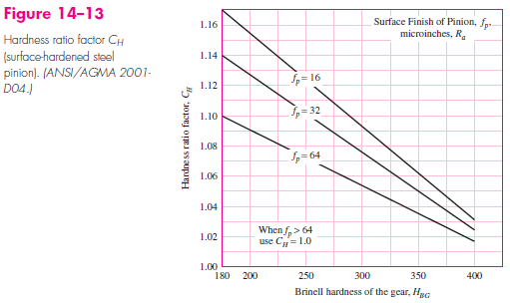
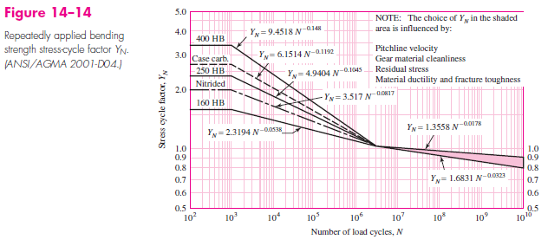
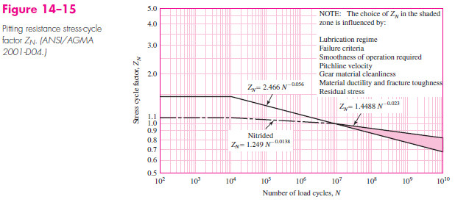
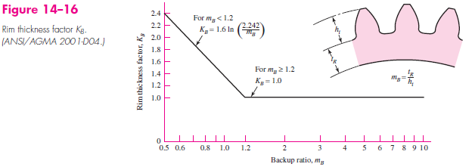
 | Lists
Justin Williams | Letters | a | b | c | d | e | f | g
2021-05-27 | Number Gears | 1 | 2 | 3 | 4 | 5 | 6 | 7
Please contact me at jwilliams03@textron.com if you experience any issues with this sheet, so that I may fix any errors or make potential improvements. | Left/Right | Left | Right
 | Angular Direction | CW | CCW
 | Shaping Process | Cut | Milled | Hobbed | Shaped | Shaved | Ground | Cast | Unknown
The majority of calculations of this excel file were taken from reading Shigley's Mechanical Engineering Design. The Figures and Tables shown below are from this textbook. | Yes/No | Yes | No
 | Gear Condition | Open | Enclosed,Commercial | Enclosed,Precision | Enclosed,Extra Precision
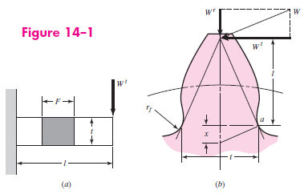
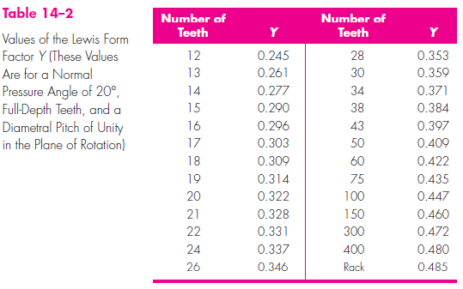
 | Gear External or Internal | External | Internal
 | Tooth Form | Stub | Full Depth

 | Grades
 | Grade 1 | Carburized | Surface Hardness | Core Hardness | Min Case Depth | YS | UTS | Elongation EI
 |  |  | HRC 61-63 | HRC 45-46 | 0.06inch (1.5mm) | 175-185 ksi | 220-230 | 11-13 %
 | Grade 2 | Quenched,Tempered,Nitrided Nitrided | Surface Hardness | Core Hardness | Min Case Depth | YS | UTS | Elongation EI
 |  |  | HV 760-800 | HRC 46-48 | 0.01-0.02inch (0.25-0.5mm) | 205-215 ksi | 225-235 | 9-10%
 | Grade 3 | Quenched.Tempered | Surface Hardness | Core Hardness | Min Case Depth | YS | UTS | Elongation EI
 |  |  | HRC 58-60 | HRC 58-60 | 0.01-0.02inch (0.25-0.5mm) | 255-265 ksi | 325-335 | 7-9%

GearTrain Force
GearTrain Layout
Note this sheet assummes that all only one gear is transmitting torque from one shaft to the other. It is possible to use more than 1, but this scenario is not taken into account. If you have more than one gear transmitting between two shafts, will need to reconfigure sheet. Cells in Green are Input Cells. Cells in Blue are 'hint' cells. This assumes a 100% efficient geartrain. Shaft Positions are needed for calculating correct resulting shaft force. FBDs do not currently have 'arrows'. May work on this in future if suggested. For now, the end point is at tangency point, or at gear center. If any issues are seen with sheet, please contact me (Justin Williams) at jwilliams03@textron.com so that I may see about fixing any issues. |  |  |  |  |  | Input |  |  |  | Description | Value | Units
 |  |  |  |  |  |  |  |  |  | Number of Gears in GearTrain (Compund counts as 2) | 7 | -
 |  |  |  |  |  | Helpful |  |  |  | Input Direction (at Pinion of GearTrain) | CCW | CW/CCW
 |  |  |  |  |  |  |  |  |  | Power Input (at Pinion of GearTrain) | 12 | hp
 |  |  |  |  |  | Likely Desired Output |  |  |  | Speed Input (at Pinion of GearTrain) | 2000 | rpm
 |  |  |  |  |  |  |  |  |  | Force to Radius Size Ratio for Charts | 0.75 | -

Gear # | Shaft Letter | N (Number of Teeth) | Pressure Angle (Normal) | Helical Angle | Normal Diametral Pitch | Diametral Pitch and Helical Angle Mesh Check |  | Shaft | Left Or Right of Previous Shaft | y position | Possible Y Range | Y Range In Bounds? |  | Recommended Initial GearTrain Layout Graph Axis:
- | - | - | deg | deg | (Teeth)/Inch |  |  | - | - | Inch | Inch | - |  | X-Axis | (-1.8,20.1)
1 | a | 19 | 20 | 25 | 12 | OK - Mesh has constant Press Angle, Helical Angle, and Normal Dia Pitch |  | a | - | 0 | (0,0) |  |  | Y-Axis | (-7.3,14.6)
2 | b | 51 | 20 | 25 | 12 | OK - Mesh has constant Press Angle, Helical Angle, and Normal Dia Pitch |  | b | Right | 1 | (-3.219,3.218) | In Bounds
3 | b | 17 | 20 | 25 | 16 | OK - Mesh has constant Press Angle, Helical Angle, and Normal Dia Pitch |  | c | Left | 2.8 | (-1,2.999) | In Bounds
4 | c | 41 | 20 | 25 | 16 | OK - Mesh has constant Press Angle, Helical Angle, and Normal Dia Pitch |  | d | Right | 1.85 | (-0.959,6.558) | In Bounds
5 | d | 68 | 20 | 25 | 16 | OK - Mesh has constant Press Angle, Helical Angle, and Normal Dia Pitch |  | e | Right | 6 | (-3.081,6.78) | In Bounds
6 | e | 75 | 20 | 25 | 16 | OK - Mesh has constant Press Angle, Helical Angle, and Normal Dia Pitch |  | f | Right | 3 | (-0.897,12.896) | In Bounds
7 | f | 125 | 20 | 25 | 16 | OK - Mesh has constant Press Angle, Helical Angle, and Normal Dia Pitch |  | g | Right | 6 | NA - Does this shaft exist?

Gear # | Direction of Pinion Gear | Torque of Gear | Speed | Loads from Mesh only. Does not take into account one mesh partially cancelling out the other, etc. |  |  |  |  |  |  |  |  |  |  | W_Shaft
 |  |  |  | Mesh | W_t Transmitted (Tangential) Load of Mesh |  | W_r Radial Load of Mesh |  | W_a Axial Load of Mesh |  | Equivalent Radial Load on Shaft(s) From Mesh |  | Total Load on Shaft(s) From Mesh
- | - | lbf*ft | rpm | - | Label | lbf | Label | lbf | Label | lbf | Label | lbf | Label | lbf | Label | W_Shaft (excludes axial loads)
1 | CCW | 31.5 | 2000 |  |  |  |  |  |  |  |  |  |  |  | W_a1 | 466.52
 |  |  |  | 1-2 | Wt_2-1 | 432.912 | Wr_2-1 | 173.85615755 | Wa_2-1 | 201.870 | Weqrad_2-1 | 466.51797247 | Wtotal_2-1 | 508.32139844
2 | CW | 84.6 | 745 | 2-1 | Wt_1-2 | 432.912 | Wr_1-2 | 173.85615755 | Wa_1-2 | 201.870 | Weqrad_1-2 | 201.87031845 | Wtotal_1-2 | 508.32139844 | W_b2 | 466.52
Gear 6 FBD
 |  |  |  | 2-3 | Wt_3-2 | 0.000 | Wr_3-2 | 0 | Wa_3-2 | 0.000 | Weqrad_3-2 | 0 | Wtotal_3-2 | 0
3 | CW | 84.6 | 745 | 3-2 | Wt_2-3 | 0.000 | Wr_2-3 | 0 | Wa_2-3 | 0.000 | Weqrad_2-3 | 0 | Wtotal_2-3 | 0 | W_b3 | 1866.07
 |  |  |  | 3-4 | Wt_4-3 | 1731.649 | Wr_4-3 | 695.4246302 | Wa_4-3 | 807.481 | Weqrad_4-3 | 1866.0718899 | Wtotal_4-3 | 2033.2855937
4 | CCW | 204.0 | 309 | 4-3 | Wt_3-4 | 1731.649 | Wr_3-4 | 695.4246302 | Wa_3-4 | 807.481 | Weqrad_3-4 | 807.48127378 | Wtotal_3-4 | 2033.2855937 | W_c4 | 187.64
 |  |  |  | 4-5 | Wt_5-4 | 1731.649 | Wr_5-4 | 695.4246302 | Wa_5-4 | 807.481 | Weqrad_5-4 | 1866.0718899 | Wtotal_5-4 | 2033.2855937
5 | CW | 338.3 | 186 | 5-4 | Wt_4-5 | 1731.649 | Wr_4-5 | 695.4246302 | Wa_4-5 | 807.481 | Weqrad_4-5 | 807.48127378 | Wtotal_4-5 | 2033.2855937 | W_d5 | 1985.52
 |  |  |  | 5-6 | Wt_6-5 | 1731.649 | Wr_6-5 | 695.4246302 | Wa_6-5 | 807.481 | Weqrad_6-5 | 1866.0718899 | Wtotal_6-5 | 2033.2855937
6 | CCW | 373.2 | 169 | 6-5 | Wt_5-6 | 1731.649 | Wr_5-6 | 695.4246302 | Wa_5-6 | 807.481 | Weqrad_5-6 | 807.48127378 | Wtotal_5-6 | 2033.2855937 | W_e6 | 1669.25
 |  |  |  | 6-7 | Wt_7-6 | 1731.649 | Wr_7-6 | 695.4246302 | Wa_7-6 | 807.481 | Weqrad_7-6 | 1866.0718899 | Wtotal_7-6 | 2033.2855937
7 | CW | 622.0 | 101 | 7-6 | Wt_6-7 | 1731.649 | Wr_6-7 | 695.4246302 | Wa_6-7 | 807.481 | Weqrad_6-7 | 807.48127378 | Wtotal_6-7 | 2033.2855937 | W_f7 | 1866.07

Gear 1 FBD
Gear 2 FBD
Gear 5 FBD
 |  |  |  |  |  |  |  |  | Note that these axial loads must be evaluated by user. (Shown is the absolute value)

Gear 3 FBD
Gear 4 FBD

Gear 7 FBD

 | Number of Gears in GearTrain (Compund counts as 2) |  |  | 7 | -
 | Input Direction (at Pinion of GearTrain) |  |  | CCW | CW/CCW | Note this assummes that all only one gear is transmitting torque from one shaft to the other. It is possible to use more than 1, but this scenario is not taken into account. If you have more than one gear transmitting between two shafts, will need to reconfigure sheet. Cells in Green are Input Cells. Cells in Blue are 'hint' cells. This assumes a 100% efficient geartrain. Shaft Positions are needed for calculating correct resulting shaft force. |  |  |  |  |  | Recommended Initial GearTrain Layout Graph Axis:
 | Power Input (at Pinion of GearTrain) |  |  | 12 | hp |  |  |  |  |  |  | X-Axis | (-1.8,20.1) |  |  | Force to Radius Size Ratio for Charts | 0.75
 | Speed Input (at Pinion of GearTrain) |  |  | 2000 | rpm |  |  |  |  |  |  | Y-Axis | (-7.3,14.6)
Gear # (For Calculation Purposes) | Gear # | Shaft Letter | N (Number of Teeth) | Pressure Angle (Normal) | Helical Angle | Normal Diametral Pitch | Pitch Diameter |  | Used to Plot Geartrain (and needed for correct resultant forces)
 | - | - | - | deg | deg | (Teeth)/Inch | in |  | Shaft | radius of first gear on shaft | radius of last gear on shaft | Center Distance from Previous Shaft | x pos (right only) | Left Or Right of Previous Shaft | x position | y position | Min Y Range Possible | Max Y Position Possible | Possible Y Range | Y Position Error?
1 | 1 | a | 19 | 20 | 25 | 12 | 1.747 |  | a | 0.87350751918 | 0.87350751918 | 0 | 0 | - | 0 | 0 | 0 | 0 | (0,0)
2 | 2 | b | 51 | 20 | 25 | 12 | 4.689 |  | b | 2.3446780778 | 0.58616951945 | 3.218185597 | 3.0589 | Right | 3.0588753712 | 1 | -3.218185597 | 3.2182 | (-3.219,3.218) | In Bounds
3 | 3 | b | 17 | 20 | 25 | 16 | 1.172 |  | c | 1.4137029587 | 1.4137029587 | 1.9998724781 | 3.9304 | Left | 2.1873881775 | 2.8 | -0.99987247812 | 2.9999 | (-1,2.999) | In Bounds
4 | 4 | c | 41 | 20 | 25 | 16 | 2.827 |  | d | 2.3446780778 | 2.3446780778 | 3.7583810365 | 5.8237 | Right | 5.8237225977 | 1.85 | -0.95838103647 | 6.5584 | (-0.959,6.558) | In Bounds
5 | 5 | d | 68 | 20 | 25 | 16 | 4.689 |  | e | 2.5860419976 | 2.5860419976 | 4.9307200754 | 8.4863 | Right | 8.4863341844 | 6 | -3.0807200754 | 6.7807 | (-3.081,6.78) | In Bounds
6 | 6 | e | 75 | 20 | 25 | 16 | 5.172 |  | f | 4.3100699959 | 4.3100699959 | 6.8961119935 | 14.6957 | Right | 14.695711015 | 3 | -0.89611199352 | 12.8961 | (-0.897,12.896) | In Bounds
7 | 7 | f | 125 | 20 | 25 | 16 | 8.620 |  | g |  |  |  |  | Right |  | 6 |  |  | NA - Does this shaft exist?

Gear Mesh | Gear Mesh Input Gear # | Gear Mesh Output Gear # | Is Output Gear on Same Shaft as Input Gear? (Compound) | Gear Mesh Ratio | Direction of Pinion Gear | Torque of 'Pinion' Gear of Mesh | Speed of 'Pinion' Gear of Mesh | W_t Transmitted (Tangential) Load of Mesh | W_r Radial Load of Mesh | W_a Axial Load of Mesh | Equivalent Radial Load on Shaft(s) From Mesh | Total Load on Shaft(s) From Mesh
- | - | - | Yes/No | - |  | lbf*ft | rpm | lbf | lbf | lbf | lbf | lbf
1-2 | 1 | 2 | No | 2.6842105263 | CCW | 31.512678732 | 2000 | 432.91229495 | 173.85615755 | 201.87031845 | 466.51797247 | 508.32139844
2-3 | 2 | 3 | Yes | 1 | CW | 84.586663965 | 745.09803922 | 0 | 0 | 0 | 0 | 0
3-4 | 3 | 4 | No | 2.4117647059 | CW | 84.586663965 | 745.09803922 | 1731.6491798 | 695.4246302 | 807.48127378 | 1866.0718899 | 2033.2855937
4-5 | 4 | 5 | No | 1.6585365854 | CCW | 204.00313074 | 308.94308943 | 1731.6491798 | 695.4246302 | 807.48127378 | 1866.0718899 | 2033.2855937
5-6 | 5 | 6 | No | 1.1029411765 | CW | 338.34665586 | 186.2745098 | 1731.6491798 | 695.4246302 | 807.48127378 | 1866.0718899 | 2033.2855937
6-7 | 6 | 7 | No | 1.6666666667 | CCW | 373.17645867 | 168.88888889 | 1731.6491798 | 695.4246302 | 807.48127378 | 1866.0718899 | 2033.2855937
 | 7 |  |  |  | CW | 621.96076445 | 101.33333333

Absolute Value of Magnitude of Forces
Gear | 0 | 1 | 1 | 2 | 2 | 3 | 3 | 4 | 4 | 5 | 5 | 6 | 6 | 7 | 7
Gear | 0 | 1 | 1 | 2 | 2 | 3 | 3 | 4 | 4 | 5 | 5 | 6 | 6 | 7 | 7
W_t |  |  |  | W_t_1,2 | 432.91229495 | W_t_2,3 | 0 | W_t_3,4 | 1731.6491798 | W_t_4,5 | 1731.6491798 | W_t_5,6 | 1731.6491798 | W_t_6,7 | 1731.6491798
W_t |  | W_t_2,1 | 432.91229495 | W_t_3,2 | 0 | W_t_4,3 | 1731.6491798 | W_t_5,4 | 1731.6491798 | W_t_6,5 | 1731.6491798 | W_t_7,6 | 1731.6491798
W_r |  |  |  | W_r_1,2 | 173.85615755 | W_r_2,3 | 0 | W_r_3,4 | 695.4246302 | W_r_4,5 | 695.4246302 | W_r_5,6 | 695.4246302 | W_r_6,7 | 695.4246302
W_r |  | W_r_2,1 | 173.85615755 | W_r_3,2 | 0 | W_r_4,3 | 695.4246302 | W_r_5,4 | 695.4246302 | W_r_6,5 | 695.4246302 | W_r_7,6 | 695.4246302
W_a |  |  |  | W_a_1,2 | 201.87031845 | W_a_2,3 | 0 | W_a_3,4 | 807.48127378 | W_a_4,5 | 807.48127378 | W_a_5,6 | 807.48127378 | W_a_6,7 | 807.48127378
W_a |  | W_a_2,1 | 201.87031845 | W_a_3,2 | 0 | W_a_4,3 | 807.48127378 | W_a_5,4 | 807.48127378 | W_a_6,5 | 807.48127378 | W_a_7,6 | 807.48127378

 |  |  |  | - |  |  |  |  |  |  |  | W_r |  |  |  |  |  |  |  |  |  | W_t |  |  |  |  |  |  |  |  |  | W_resultant_Wt_Wr |  |  |  |  |  |  |  |  |  | W_Shaft
Gear Direction | Gear to Mesh With | Gear Mesh | Shaft Letter | xc (shaft center) | yx (shaft center) | Slope from Pinion of Gear Mesh Shaft to Gear of Gear Mesh Shaft | Radians Tangent Point of Gear Mesh from Center (from right quadrant point) | Radius of Gear | xt (Tangent Point of Gear Mesh) | yt (Tangent Point of Gear Mesh) | Forces (Gear Mesh) | Label | |Wr| Force | Slope of Wr | Wr x | Wr y | Graph Length of Wr Line | x1 Wr | x2 Wr | y1 Wr | y2 Wr | Label | |Wt| Force | Slope of Wt | Graph Length of Wt Line | Wt x | Wt y | x1 Wt | x2 Wt | y1 Wt | y2 Wt | Label | W | Slope | Graph Length of W | W_ x | W_ y | x1 W | x2 W | y1 W | y2 W | Label | W_shaft_x | W_shaft_y | W_Shaft (excludes axial loads) | Slope | Graph Length | x1 W_shaft | x2 W_shaft | y1_shaft | y2_shaft
CCW |  |  | a | 0 | 0 |  |  | 0.87350751918 |  |  |  |  |  |  |  |  |  |  |  |  |  |  |  |  |  |  |  |  |  |  |  |  |  |  |  |  |  |  |  |  |  | W_a1 | -30.729123764 | -465.50482231 | 466.51797247 | 15.148652655 | 0.70598645766 | 0 | -0.046502699817 | 0 | -0.70445324707
CCW | 2 | 1-2 | a | 0 | 0 | 0.32691753623 | 0.31596526626 | 0.87350751918 | 0.83026617218 | 0.27142857143 | 2-1 | Wr_2-1 | 173.85615755 | 0.32691753623 | -165.24973543 | -54.023036369 | 0.26309831572 | 0.83026617218 | 1.0803403006 | 0.27142857143 | 0.35318218936 | Wt_2-1 | 432.91229495 | -3.0588753712 | -0.65513063938 | 134.52061166 | -411.48178594 | 0.83026617218 | 0.62669474361 | 0.27142857143 | 0.89412820057 | W_2-1 (exclude axial) | 466.51797247 | 15.148652655 | 0.70598645766 | -30.729123764 | -465.50482231 | 0.83026617218 | 0.876768872 | 0.27142857143 | 0.9758818185
CW | 1 | 2-1 | b | 3.0588753712 | 1 | 0.32691753623 | 0.31596526626 | 2.3446780778 | 0.83026617218 | 0.27142857143 | 1-2 | Wr_1-2 | 173.85615755 | 0.32691753623 | 165.24973543 | 54.023036369 | 0.70621126851 | 0.83026617218 | 0.1590145644 | 0.27142857143 | 0.05198464962 | Wt_1-2 | 432.91229495 | -3.0588753712 | 1.7585085583 | -134.52061166 | 411.48178594 | 0.83026617218 | 1.3766947436 | 0.27142857143 | -1.4000283278 | W_1-2 (exclude axial) | 466.51797247 | 15.148652655 | 1.8950162811 | 30.729123764 | 465.50482231 | 0.83026617218 | 0.70544313583 | 0.27142857143 | -1.6194722496 | W_b2 | 30.729123764 | 465.50482231 | 466.51797247 | 15.148652655 | 0 | 3.0588753712 | 3.1836984076 | 1 | 2.8909008211
CW | 3 | 2-3 | b | 3.0588753712 | 1 | 0 | 0 | 2.3446780778 | 5.403553449 | 1 | 3-2 | Wr_3-2 | 0 | 0 | 0 | 0 | 0 | 5.403553449 | 5.403553449 | 1 | 1 | Wt_3-2 | 0 | -1E+99 | 0 | 0 | 0 | 5.403553449 | 5.403553449 | 1 | 1 | W_3-2 (exclude axial) | 0 | -1E+99 | 0 | 0 | 0 | 5.403553449 | 5.403553449 | 1 | 1
CW | 2 | 3-2 | b | 3.0588753712 | 1 | 0 | 0 | 0.58616951945 | 3.6450448907 | 1 | 2-3 | Wr_2-3 | 0 | 0 | 0 | 0 | 0 | 3.6450448907 | 3.6450448907 | 1 | 1 | Wt_2-3 | 0 | -1E+99 | 0 | 0 | 0 | 3.6450448907 | 3.6450448907 | 1 | 1 | W_2-3 (exclude axial) | 0 | -1E+99 | 0 | 0 | 0 | 3.6450448907 | 3.6450448907 | 1 | 1 | W_b3 | -1255.5374864 | -1380.5252328 | 1866.0718899 | 1.0995491953 | #DIV/0! | 3.0588753712 | 2.7401223812 | 1 | 0.64951540629
CW | 4 | 3-4 | b | 3.0588753712 | 1 | -2.0654348257 | -1.1199011912 | 0.58616951945 | 2.8034394696 | 1.5275862069 | 4-3 | Wr_4-3 | 695.4246302 | -2.0654348257 | 303.0461522 | -625.92207656 | 0.17655281713 | 2.8034394696 | 2.7265028045 | 1.5275862069 | 1.6864938744 | Wt_4-3 | 1731.6491798 | 0.48415955204 | 0.43962713959 | -1558.5836386 | -754.60315628 | 2.8034394696 | 3.1991291248 | 1.5275862069 | 1.7191631331 | W_4-3 (exclude axial) | 1866.0718899 | 1.0995491953 | 0.47375407027 | -1255.5374864 | -1380.5252328 | 2.8034394696 | 3.1221924597 | 1.5275862069 | 1.8780708006
CCW | 3 | 4-3 | c | 2.1873881775 | 2.8 | -2.0654348257 | -1.1199011912 | 1.4137029587 | 2.8034394696 | 1.5275862069 | 3-4 | Wr_3-4 | 695.4246302 | -2.0654348257 | -303.0461522 | 625.92207656 | 0.42580385307 | 2.8034394696 | 2.9889926031 | 1.5275862069 | 1.1443383029 | Wt_3-4 | 1731.6491798 | 0.48415955204 | -1.060277219 | 1558.5836386 | 754.60315628 | 2.8034394696 | 1.8491291248 | 1.5275862069 | 1.0655477378 | W_3-4 (exclude axial) | 1866.0718899 | 1.0995491953 | 1.1425833459 | 1255.5374864 | 1380.5252328 | 2.8034394696 | 2.0346822583 | 1.5275862069 | 0.68229983383 | W_c4 | 144.98930095 | -119.11039826 | 187.64110521 | -0.82151163897 | 0.11489139459 | 2.1873881775 | 2.2761641574 | 2.8 | 2.7270694992
CCW | 5 | 4-5 | c | 2.1873881775 | 2.8 | -0.26125209902 | -0.25554051711 | 1.4137029587 | 3.5551836934 | 2.4426605505 | 5-4 | Wr_5-4 | 695.4246302 | -0.26125209902 | -672.84197501 | 175.78137828 | 0.42580385307 | 3.5551836934 | 3.9671603376 | 2.4426605505 | 2.3350307874 | Wt_5-4 | 1731.6491798 | 3.8277204423 | 1.060277219 | -437.70621043 | -1675.4170094 | 3.5551836934 | 3.8231882805 | 2.4426605505 | 3.4685071873 | W_5-4 (exclude axial) | 1866.0718899 | 1.3503562031 | 1.1425833459 | -1110.5481854 | -1499.6356311 | 3.5551836934 | 4.2351649248 | 2.4426605505 | 3.3608774243
CW | 4 | 5-4 | d | 5.8237225977 | 1.85 | -0.26125209902 | -0.25554051711 | 2.3446780778 | 3.5551836934 | 2.4426605505 | 4-5 | Wr_4-5 | 695.4246302 | -0.26125209902 | 672.84197501 | -175.78137828 | 0.70621126851 | 3.5551836934 | 2.8719053566 | 2.4426605505 | 2.6211684502 | Wt_4-5 | 1731.6491798 | 3.8277204423 | -1.7585085583 | 437.70621043 | 1675.4170094 | 3.5551836934 | 3.1106882805 | 2.4426605505 | 0.74125637222 | W_4-5 (exclude axial) | 1866.0718899 | 1.3503562031 | 1.8950162811 | 1110.5481854 | 1499.6356311 | 3.5551836934 | 2.4274099437 | 2.4426605505 | 0.91976427191 | W_d5 | -722.44773323 | 1849.4216519 | 1985.5203786 | -2.5599383413 | 2.0163175193 | 5.8237225977 | 5.0900690744 | 1.85 | 3.7281077835
CW | 6 | 5-6 | d | 5.8237225977 | 1.85 | 1.5586201235 | 1.0003537364 | 2.3446780778 | 7.089859576 | 3.8234265734 | 6-5 | Wr_6-5 | 695.4246302 | 1.5586201235 | -375.53250838 | -585.31252458 | 0.70621126851 | 7.089859576 | 7.4712169188 | 3.8234265734 | 4.4178178022 | Wt_6-5 | 1731.6491798 | -0.64159315342 | 1.7585085583 | -1457.4634103 | 935.0985454 | 7.089859576 | 8.5699295061 | 3.8234265734 | 2.8738238397 | W_6-5 (exclude axial) | 1866.0718899 | -0.19082749572 | 1.8950162811 | -1832.9959187 | 349.78602082 | 7.089859576 | 8.9512868489 | 3.8234265734 | 3.4682150685
CCW | 5 | 6-5 | e | 8.4863341844 | 6 | 1.5586201235 | 1.0003537364 | 2.5860419976 | 7.089859576 | 3.8234265734 | 5-6 | Wr_5-6 | 695.4246302 | 1.5586201235 | 375.53250838 | 585.31252458 | 0.77890948732 | 7.089859576 | 6.6692448596 | 3.8234265734 | 3.1678480123 | Wt_5-6 | 1731.6491798 | -0.64159315342 | -1.9395314982 | 1457.4634103 | -935.0985454 | 7.089859576 | 5.4574295061 | 3.8234265734 | 4.8707825297 | W_5-6 (exclude axial) | 1866.0718899 | -0.19082749572 | 2.0900914865 | 1832.9959187 | -349.78602082 | 7.089859576 | 5.0368147897 | 3.8234265734 | 4.2152039686 | W_e6 | 453.50829801 | -1606.4634666 | 1669.2497254 | -3.5423022547 | 1.8696410673 | 8.4863341844 | 8.9942855864 | 6 | 4.2006826034
CCW | 7 | 6-7 | e | 8.4863341844 | 6 | -0.48314027023 | -0.45006908202 | 2.5860419976 | 10.814850496 | 4.875 | 7-6 | Wr_7-6 | 695.4246302 | -0.48314027023 | -626.17219534 | 302.52900367 | 0.77890948732 | 10.814850496 | 11.51619388 | 4.875 | 4.5361527678 | Wt_7-6 | 1731.6491798 | 2.0697922769 | 1.9395314982 | -753.31542532 | -1559.2064494 | 10.814850496 | 11.658600496 | 4.875 | 6.6213872337 | W_7-6 (exclude axial) | 1866.0718899 | 0.91097406525 | 2.0900914865 | -1379.4876207 | -1256.6774458 | 10.814850496 | 12.35994388 | 4.875 | 6.2825400015
CW | 6 | 7-6 | f | 14.695711015 | 3 | -0.48314027023 | -0.45006908202 | 4.3100699959 | 10.814850496 | 4.875 | 6-7 | Wr_6-7 | 695.4246302 | -0.48314027023 | 626.17219534 | -302.52900367 | 1.2981824789 | 10.814850496 | 9.6459448555 | 4.875 | 5.439745387 | Wt_6-7 | 1731.6491798 | 2.0697922769 | -3.232552497 | 753.31542532 | 1559.2064494 | 10.814850496 | 9.4086004959 | 4.875 | 1.9643546106 | W_6-7 (exclude axial) | 1866.0718899 | 0.91097406525 | 3.4834858108 | 1379.4876207 | 1256.6774458 | 10.814850496 | 8.2396948555 | 4.875 | 2.5290999976 | W_f7 | 1379.4876207 | 1256.6774458 | 1866.0718899 | 0.91097406525 | 3.4834858108 | 14.695711015 | 17.270866656 | 3 | 5.3459000024
CW |  |  | f | 14.695711015 | 3 |  |  | 4.3100699959

 |  |  |  |  |  |  |  |  |  |  |  |  |  |  |  |  |  |  |  |  |  |  |  |  |  |  |  |  |  |  |  |  |  |  |  |  |  |  |  |  |  |  |  |  |  |  |  |  |  |  | Gear # |  | Shaft | radius | center x | center y
 |  |  |  |  |  |  |  |  |  |  |  |  |  |  |  |  |  |  |  |  |  |  |  |  |  |  |  |  |  |  |  |  |  |  |  |  |  |  |  |  |  |  |  |  |  |  |  |  |  |  | 1 | Gear 1 | a | 0.87350751918 | 0 | 0
 |  |  |  |  |  |  |  |  |  |  |  |  |  |  |  |  |  |  |  |  |  |  |  |  |  |  |  |  |  |  |  |  |  |  |  |  |  |  |  |  |  |  |  |  |  |  |  |  |  |  | 2 | Gear 2 | b | 2.3446780778 | 3.0588753712 | 1
 |  |  |  |  |  |  |  |  |  |  |  |  |  |  |  |  |  |  |  |  |  |  |  |  |  |  |  |  |  |  |  |  |  |  |  |  |  |  |  |  |  |  |  |  |  |  |  |  |  |  | 3 | Gear 3 | b | 0.58616951945 | 3.0588753712 | 1
 |  |  |  |  |  |  |  |  |  |  |  |  |  |  |  |  |  |  |  |  |  |  |  |  |  |  |  |  |  |  |  |  |  |  |  |  |  |  |  |  |  |  |  |  |  |  |  |  |  |  | 4 | Gear 4 | c | 1.4137029587 | 2.1873881775 | 2.8
 |  |  |  |  |  |  |  |  |  |  |  |  |  |  |  |  |  |  |  |  |  |  |  |  |  |  |  |  |  |  |  |  |  |  |  |  |  |  |  |  |  |  |  |  |  |  |  |  |  |  | 5 | Gear 5 | d | 2.3446780778 | 5.8237225977 | 1.85
 |  |  |  |  |  |  |  |  |  |  |  |  |  |  |  |  |  |  |  |  |  |  |  |  |  |  |  |  |  |  |  |  |  |  |  |  |  |  |  |  |  |  |  |  |  |  |  |  |  |  | 6 | Gear 6 | e | 2.5860419976 | 8.4863341844 | 6
 |  |  |  |  |  |  |  |  |  |  |  |  |  |  |  |  |  |  |  |  |  |  |  |  |  |  |  |  |  |  |  |  |  |  |  |  |  |  |  |  |  |  |  |  |  |  |  |  |  |  | 7 | Gear 7 | f | 4.3100699959 | 14.695711015 | 3
 |  |  |  |  |  |  |  |  |  |  |  |  |  |  |  |  |  |  |  |  |  |  |  |  |  |  |  |  |  |  |  |  |  |  |  |  |  |  |  |  |  |  |  |  |  |  |  |  |  |  |  |  |  |  |  |  |  |  | initial | okay? | final
 |  |  |  |  |  |  |  |  |  |  |  |  |  |  |  |  |  |  |  |  |  |  |  |  |  |  |  |  |  |  |  |  |  |  |  |  |  |  |  |  |  |  |  |  |  |  |  |  |  |  | Min X | Max X | Min Y | Max Y | DELTA X | DELTA Y |  | Set X to | (-1.8,20.1) | Yes | (-1.8,20.1)
 |  |  |  |  |  |  |  |  |  |  |  |  |  |  |  |  |  |  |  |  |  |  |  |  |  |  |  |  |  |  |  |  |  |  |  |  |  |  |  |  |  |  |  |  |  |  |  |  |  |  | -0.87350751918 | 19.005781011 | -1.3446780778 | 8.5860419976 | 19.87928853 | 9.9307200754 |  | Set Y to | (-2.3,9.6) | No | (-7.3,14.6)

 |  |  |  |  |  |  |  |  |  |  |  |  |  |  |  |  |  |  |  |  |  |  |  |  |  |  |  |  |  |  |  |  |  |  |  |  |  |  |  |  |  |  |  |  |  |  |  |  |  |  |  | x | y | x | y | x | y | x | y | x | y | x | y | x | y
 |  |  |  |  |  |  |  |  |  |  |  |  |  |  |  |  |  |  |  |  |  |  |  |  |  |  |  |  |  |  |  |  |  |  |  |  |  |  |  |  |  |  |  |  |  |  |  |  |  |  | x Min | -0.87350751918 |  | 0.71419729341 |  | 2.4727058518 |  | 0.77368521886 |  | 3.4790445199 |  | 5.9002921868 |  | 10.385641019
 |  |  |  |  |  |  |  |  |  |  |  |  |  |  |  |  |  |  |  |  |  |  |  |  |  |  |  |  |  |  |  |  |  |  |  |  |  |  |  |  |  |  |  |  |  |  |  |  |  |  | x Max | 0.87350751918 |  | 5.403553449 |  | 3.6450448907 |  | 3.6010911362 |  | 8.1684006755 |  | 11.072376182 |  | 19.005781011
 |  |  |  |  |  |  |  |  |  |  |  |  |  |  |  |  |  |  |  |  |  |  |  |  |  |  |  |  |  |  |  |  |  |  |  |  |  |  |  |  |  |  |  |  |  |  |  |  |  |  | y Min |  | -0.87350751918 |  | -1.3446780778 |  | 0.41383048055 |  | 1.3862970413 |  | -0.4946780778 |  | 3.4139580024 |  | -1.3100699959
 |  |  |  |  |  |  |  |  |  |  |  |  |  |  |  |  |  |  |  |  |  |  |  |  |  |  |  |  |  |  |  |  |  |  |  |  |  |  |  |  |  |  |  |  |  |  |  |  |  |  | y Max |  | 0.87350751918 |  | 3.3446780778 |  | 1.5861695194 |  | 4.2137029587 |  | 4.1946780778 |  | 8.5860419976 |  | 7.3100699959

 |  |  |  |  |  |  |  |  |  |  |  |  |  |  |  |  |  |  |  |  |  |  |  |  |  |  |  |  |  |  |  |  |  |  |  |  |  |  |  |  |  |  |  |  |  |  |  |  |  |  | Angle | g1 x | g1 y | g2 x | g2 y | g3 x | g3 y | g4 x | g4 y | g5 x | g5 y | g6 x | g6 y | g7 x | g7 y | Direction | CCW | CCW | CW | CW | CW | CW | CCW | CCW | CW | CW | CCW | CCW | CW | CW
 |  |  |  |  |  |  |  |  |  |  |  |  |  |  |  |  |  |  |  |  |  |  |  |  |  |  |  |  |  |  |  |  |  |  |  |  |  |  |  |  |  |  |  |  |  |  |  |  |  |  | 0 | 0.87350751918 | 0 | 5.403553449 | 1 | 3.6450448907 | 1 | 3.6010911362 | 2.8 | 8.1684006755 | 1.85 | 11.072376182 | 6 | 19.005781011 | 3 | Angle | g1r x | g1r y | g2r x | g2r y | g3r x | g3r y | g4r x | g4r y | g5r x | g5r y | g6r x | g6r y | g7r x | g7r y | Clockwise Direction Arrows for Charts |  |  |  |  |  |  |  |  |  |  |  |  |  | Counter Clockwise Direction Arrows for Charts
 |  |  |  |  |  |  |  |  |  |  |  |  |  |  |  |  |  |  |  |  |  |  |  |  |  |  |  |  |  |  |  |  |  |  |  |  |  |  |  |  |  |  |  |  |  |  |  |  |  |  | 10 | 0.8602369772 | 0.15168298888 | 5.3679325205 | 1.4071490754 | 3.6361396585 | 1.1017872689 | 3.5796138117 | 3.0454869425 | 8.132779747 | 2.2571490754 | 11.033088393 | 6.4490614802 | 18.940301363 | 3.7484358004 | -50 | 0.42110985772 | -0.50185918582 | 4.4823076438 | -0.64018046902 | 3.4147334393 | 0.58995488274 | 2.8689212367 | 1.9877805282 | 7.2471548703 | 0.20981953098 | 9.733041 | 4.5142326736 | 17.312314457 | -0.01503762688 | 0.53029829762 | -0.61104762571 | 4.4823076438 | -0.64018046902 | 3.4147334393 | 0.58995488274 | 3.0456341066 | 1.8110676584 | 7.2471548703 | 0.20981953098 | 10.05629625 | 4.1909774239 | 17.312314457 | -0.01503762688 | 0.42110985772 | -0.50185918582 | 4.189222884 | -0.3470957093 | 3.3414622494 | 0.66322607268 | 2.8689212367 | 1.9877805282 | 6.9540701105 | 0.5029042907 | 9.733041 | 4.5142326736 | 16.773555708 | 0.52372112261
 |  |  |  |  |  |  |  |  |  |  |  |  |  |  |  |  |  |  |  |  |  |  |  |  |  |  |  |  |  |  |  |  |  |  |  |  |  |  |  |  |  |  |  |  |  |  |  |  |  |  | 20 | 0.82082856997 | 0.29875716691 | 5.262152059 | 1.8019271322 | 3.6096945432 | 1.2004817831 | 3.5158344158 | 3.2835148885 | 8.0269992855 | 2.6519271322 | 10.916418767 | 6.8844784547 | 18.745851985 | 4.4741307578 | -40 | 0.50185918582 | -0.42110985772 | 4.189222884 | -0.3470957093 | 3.3414622494 | 0.66322607268 | 2.9996076493 | 2.1184669408 | 6.9540701105 | 0.5029042907 | 9.9721015108 | 4.7532931844 | 16.773555708 | 0.52372112261 | 0.42110985772 | -0.50185918582 | 4.189222884 | -0.3470957093 | 3.3414622494 | 0.66322607268 | 2.8689212367 | 1.9877805282 | 6.9540701105 | 0.5029042907 | 9.733041 | 4.5142326736 | 16.773555708 | 0.52372112261 | 0.50185918582 | -0.42110985772 | 4.4059710805 | -0.13034751283 | 3.3956492985 | 0.71741312179 | 2.9996076493 | 2.1184669408 | 7.170818307 | 0.71965248717 | 9.9721015108 | 4.7532931844 | 17.171989893 | 0.92215530729
 |  |  |  |  |  |  |  |  |  |  |  |  |  |  |  |  |  |  |  |  |  |  |  |  |  |  |  |  |  |  |  |  |  |  |  |  |  |  |  |  |  |  |  |  |  |  |  |  |  |  | 30 | 0.75647970201 | 0.43675375959 | 5.0894261503 | 2.1723390389 | 3.566513066 | 1.2930847597 | 3.4116908531 | 3.5068514793 | 7.8542733768 | 3.0223390389 | 10.72591225 | 7.2930209988 | 18.428341124 | 5.155034998 | -30 | 0.5673597765 | -0.32756531969 | 4.4059710805 | -0.13034751283 | 3.3956492985 | 0.71741312179 | 3.1056151842 | 2.2698613905 | 7.170818307 | 0.71965248717 | 10.166017733 | 5.0302342509 | 17.171989893 | 0.92215530729 | 0.50185918582 | -0.42110985772 | 4.4059710805 | -0.13034751283 | 3.3956492985 | 0.71741312179 | 2.9996076493 | 2.1184669408 | 7.170818307 | 0.71965248717 | 9.9721015108 | 4.7532931844 | 17.171989893 | 0.92215530729 | 0.5673597765 | -0.32756531969 | 4.5817884555 | 0.12074572083 | 3.4396036423 | 0.78018643021 | 3.1056151842 | 2.2698613905 | 7.346635682 | 0.97074572083 | 10.166017733 | 5.0302342509 | 17.495183597 | 1.3837237515
 |  |  |  |  |  |  |  |  |  |  |  |  |  |  |  |  |  |  |  |  |  |  |  |  |  |  |  |  |  |  |  |  |  |  |  |  |  |  |  |  |  |  |  |  |  |  |  |  |  |  | 40 | 0.66914558109 | 0.5614798103 | 4.8550029836 | 2.5071300171 | 3.5079072743 | 1.3767825043 | 3.2703474732 | 3.7087107456 | 7.6198502101 | 3.3571300171 | 10.467357286 | 7.6622757542 | 17.997416185 | 5.7704595903 | -20 | 0.61562142748 | -0.22406787518 | 4.5817884555 | 0.12074572083 | 3.4396036423 | 0.78018643021 | 3.1837228562 | 2.4373638336 | 7.346635682 | 0.97074572083 | 10.308897621 | 5.336641159 | 17.495183597 | 1.3837237515 | 0.5673597765 | -0.32756531969 | 4.5817884555 | 0.12074572083 | 3.4396036423 | 0.78018643021 | 3.1056151842 | 2.2698613905 | 7.346635682 | 0.97074572083 | 10.166017733 | 5.0302342509 | 17.495183597 | 1.3837237515 | 0.61562142748 | -0.22406787518 | 4.7113328871 | 0.39855465083 | 3.4719897502 | 0.84963866271 | 3.1837228562 | 2.4373638336 | 7.4761801136 | 1.2485546508 | 10.308897621 | 5.336641159 | 17.733316743 | 1.8944019317
 |  |  |  |  |  |  |  |  |  |  |  |  |  |  |  |  |  |  |  |  |  |  |  |  |  |  |  |  |  |  |  |  |  |  |  |  |  |  |  |  |  |  |  |  |  |  |  |  |  |  | 50 | 0.5614798103 | 0.66914558109 | 4.5660053883 | 2.7961276124 | 3.4356578755 | 1.4490319031 | 3.0960989231 | 3.8829592957 | 7.3308526148 | 3.6461276124 | 10.148609939 | 7.9810231019 | 17.466170605 | 6.3017051698 | -10 | 0.6451777329 | -0.11376224166 | 4.7113328871 | 0.39855465083 | 3.4719897502 | 0.84963866271 | 3.2315574031 | 2.6158847931 | 7.4761801136 | 1.2485546508 | 10.396399841 | 5.6632038898 | 17.733316743 | 1.8944019317 | 0.61562142748 | -0.22406787518 | 4.7113328871 | 0.39855465083 | 3.4719897502 | 0.84963866271 | 3.1837228562 | 2.4373638336 | 7.4761801136 | 1.2485546508 | 10.308897621 | 5.336641159 | 17.733316743 | 1.8944019317 | 0.6451777329 | -0.11376224166 | 4.7906682332 | 0.69463819343 | 3.4918235867 | 0.92365954836 | 3.2315574031 | 2.6158847931 | 7.5555154597 | 1.5446381934 | 10.396399841 | 5.6632038898 | 17.879153776 | 2.4386731497
 |  |  |  |  |  |  |  |  |  |  |  |  |  |  |  |  |  |  |  |  |  |  |  |  |  |  |  |  |  |  |  |  |  |  |  |  |  |  |  |  |  |  |  |  |  |  |  |  |  |  | 60 | 0.43675375959 | 0.75647970201 | 4.2312144101 | 3.0305507791 | 3.3519601309 | 1.5076376948 | 2.8942396569 | 4.0243026756 | 6.9960616366 | 3.8805507791 | 9.7793551832 | 8.2395780651 | 16.850746013 | 6.7326301086 | 0 | 0.65513063938 | 0 | 4.7906682332 | 0.69463819343 | 3.4918235867 | 0.92365954836 | 3.2476653965 | 2.8 | 7.5555154597 | 1.5446381934 | 10.425865683 | 6 | 17.879153776 | 2.4386731497 | 0.6451777329 | -0.11376224166 | 4.7906682332 | 0.69463819343 | 3.4918235867 | 0.92365954836 | 3.2315574031 | 2.6158847931 | 7.5555154597 | 1.5446381934 | 10.396399841 | 5.6632038898 | 17.879153776 | 2.4386731497 | 0.65513063938 | 0 | 4.8173839296 | 1 | 3.4985025108 | 1 | 3.2476653965 | 2.8 | 7.582231156 | 1.85 | 10.425865683 | 6 | 17.928263512 | 3
 |  |  |  |  |  |  |  |  |  |  |  |  |  |  |  |  |  |  |  |  |  |  |  |  |  |  |  |  |  |  |  |  |  |  |  |  |  |  |  |  |  |  |  |  |  |  |  |  |  |  | 70 | 0.29875716691 | 0.82082856997 | 3.8608025034 | 3.2032766878 | 3.2593571543 | 1.550819172 | 2.6709030661 | 4.1284462382 | 6.6256497299 | 4.0532766878 | 9.370812639 | 8.4300845822 | 16.169841773 | 7.0501409703 |  | 0.76431907928 | -0.1091884399 | 4.8173839296 | 1 | 3.4985025108 | 1 | 3.4243782664 | 2.6232871302 | 7.582231156 | 1.85 | 10.749120932 | 5.6767447503 | 17.928263512 | 3 | 0.65513063938 | 0 | 4.8173839296 | 1 | 3.4985025108 | 1 | 3.2476653965 | 2.8 | 7.582231156 | 1.85 | 10.425865683 | 6 | 17.928263512 | 3 | 0.76431907928 | -0.1091884399 | 5.1104686893 | 0.70691524028 | 3.5717737007 | 0.92672881007 | 3.4243782664 | 2.6232871302 | 7.8753159158 | 1.5569152403 | 10.749120932 | 5.6767447503 | 18.467022262 | 2.4612412505
 |  |  |  |  |  |  |  |  |  |  |  |  |  |  |  |  |  |  |  |  |  |  |  |  |  |  |  |  |  |  |  |  |  |  |  |  |  |  |  |  |  |  |  |  |  |  |  |  |  |  | 80 | 0.15168298888 | 0.8602369772 | 3.4660244466 | 3.3090571493 | 3.1606626401 | 1.5772642873 | 2.4328751201 | 4.1922256342 | 6.2308716731 | 4.1590571493 | 8.9353956646 | 8.5467542088 | 15.444146816 | 7.244590348
 |  |  |  |  |  |  |  |  |  |  |  |  |  |  |  |  |  |  |  |  |  |  |  |  |  |  |  |  |  |  |  |  |  |  |  |  |  |  |  |  |  |  |  |  |  |  |  |  |  |  | 90 | 5.3508819374E-17 | 0.87350751918 | 3.0588753712 | 3.3446780778 | 3.0588753712 | 1.5861695194 | 2.1873881775 | 4.2137029587 | 5.8237225977 | 4.1946780778 | 8.4863341844 | 8.5860419976 | 14.695711015 | 7.3100699959
 |  |  |  |  |  |  |  |  |  |  |  |  |  |  |  |  |  |  |  |  |  |  |  |  |  |  |  |  |  |  |  |  |  |  |  |  |  |  |  |  |  |  |  |  |  |  |  |  |  |  | 100 | -0.15168298888 | 0.8602369772 | 2.6517262958 | 3.3090571493 | 2.9570881023 | 1.5772642873 | 1.941901235 | 4.1922256342 | 5.4165735223 | 4.1590571493 | 8.0372727041 | 8.5467542088 | 13.947275215 | 7.244590348
 |  |  |  |  |  |  |  |  |  |  |  |  |  |  |  |  |  |  |  |  |  |  |  |  |  |  |  |  |  |  |  |  |  |  |  |  |  |  |  |  |  |  |  |  |  |  |  |  |  |  | 110 | -0.29875716691 | 0.82082856997 | 2.256948239 | 3.2032766878 | 2.8583935882 | 1.550819172 | 1.703873289 | 4.1284462382 | 5.0217954655 | 4.0532766878 | 7.6018557297 | 8.4300845822 | 13.221580257 | 7.0501409703
 |  |  |  |  |  |  |  |  |  |  |  |  |  |  |  |  |  |  |  |  |  |  |  |  |  |  |  |  |  |  |  |  |  |  |  |  |  |  |  |  |  |  |  |  |  |  |  |  |  |  | 120 | -0.43675375959 | 0.75647970201 | 1.8865363323 | 3.0305507791 | 2.7657906115 | 1.5076376948 | 1.4805366982 | 4.0243026756 | 4.6513835588 | 3.8805507791 | 7.1933131856 | 8.2395780651 | 12.540676017 | 6.7326301086
 |  |  |  |  |  |  |  |  |  |  |  |  |  |  |  |  |  |  |  |  |  |  |  |  |  |  |  |  |  |  |  |  |  |  |  |  |  |  |  |  |  |  |  |  |  |  |  |  |  |  | 130 | -0.5614798103 | 0.66914558109 | 1.5517453541 | 2.7961276124 | 2.6820928669 | 1.4490319031 | 1.2786774319 | 3.8829592957 | 4.3165925806 | 3.6461276124 | 6.8240584302 | 7.9810231019 | 11.925251425 | 6.3017051698
 |  |  |  |  |  |  |  |  |  |  |  |  |  |  |  |  |  |  |  |  |  |  |  |  |  |  |  |  |  |  |  |  |  |  |  |  |  |  |  |  |  |  |  |  |  |  |  |  |  |  | 140 | -0.66914558109 | 0.5614798103 | 1.2627477588 | 2.5071300171 | 2.6098434681 | 1.3767825043 | 1.1044288818 | 3.7087107456 | 4.0275949853 | 3.3571300171 | 6.5053110825 | 7.6622757542 | 11.394005845 | 5.7704595903
 |  |  |  |  |  |  |  |  |  |  |  |  |  |  |  |  |  |  |  |  |  |  |  |  |  |  |  |  |  |  |  |  |  |  |  |  |  |  |  |  |  |  |  |  |  |  |  |  |  |  | 150 | -0.75647970201 | 0.43675375959 | 1.0283245921 | 2.1723390389 | 2.5512376764 | 1.2930847597 | 0.96308550192 | 3.5068514793 | 3.7931718186 | 3.0223390389 | 6.2467561192 | 7.2930209988 | 10.963080907 | 5.155034998
 |  |  |  |  |  |  |  |  |  |  |  |  |  |  |  |  |  |  |  |  |  |  |  |  |  |  |  |  |  |  |  |  |  |  |  |  |  |  |  |  |  |  |  |  |  |  |  |  |  |  | 160 | -0.82082856997 | 0.29875716691 | 0.85559868338 | 1.8019271322 | 2.5080561993 | 1.2004817831 | 0.85894193928 | 3.2835148885 | 3.6204459099 | 2.6519271322 | 6.0562496022 | 6.8844784547 | 10.645570045 | 4.4741307578
 |  |  |  |  |  |  |  |  |  |  |  |  |  |  |  |  |  |  |  |  |  |  |  |  |  |  |  |  |  |  |  |  |  |  |  |  |  |  |  |  |  |  |  |  |  |  |  |  |  |  | 170 | -0.8602369772 | 0.15168298888 | 0.74981822188 | 1.4071490754 | 2.4816110839 | 1.1017872689 | 0.79516254338 | 3.0454869425 | 3.5146654484 | 2.2571490754 | 5.9395799756 | 6.4490614802 | 10.451120667 | 3.7484358004
 |  |  |  |  |  |  |  |  |  |  |  |  |  |  |  |  |  |  |  |  |  |  |  |  |  |  |  |  |  |  |  |  |  |  |  |  |  |  |  |  |  |  |  |  |  |  |  |  |  |  | 180 | -0.87350751918 | 1.0701763875E-16 | 0.71419729341 | 1 | 2.4727058518 | 1 | 0.77368521886 | 2.8 | 3.4790445199 | 1.85 | 5.9002921868 | 6 | 10.385641019 | 3
 |  |  |  |  |  |  |  |  |  |  |  |  |  |  |  |  |  |  |  |  |  |  |  |  |  |  |  |  |  |  |  |  |  |  |  |  |  |  |  |  |  |  |  |  |  |  |  |  |  |  | 190 | -0.8602369772 | -0.15168298888 | 0.74981822188 | 0.59285092458 | 2.4816110839 | 0.89821273114 | 0.79516254338 | 2.5545130575 | 3.5146654484 | 1.4428509246 | 5.9395799756 | 5.5509385198 | 10.451120667 | 2.2515641996
 |  |  |  |  |  |  |  |  |  |  |  |  |  |  |  |  |  |  |  |  |  |  |  |  |  |  |  |  |  |  |  |  |  |  |  |  |  |  |  |  |  |  |  |  |  |  |  |  |  |  | 200 | -0.82082856997 | -0.29875716691 | 0.85559868338 | 0.19807286778 | 2.5080561993 | 0.79951821694 | 0.85894193928 | 2.3164851115 | 3.6204459099 | 1.0480728678 | 6.0562496022 | 5.1155215453 | 10.645570045 | 1.5258692422
 |  |  |  |  |  |  |  |  |  |  |  |  |  |  |  |  |  |  |  |  |  |  |  |  |  |  |  |  |  |  |  |  |  |  |  |  |  |  |  |  |  |  |  |  |  |  |  |  |  |  | 210 | -0.75647970201 | -0.43675375959 | 1.0283245921 | -0.1723390389 | 2.5512376764 | 0.70691524028 | 0.96308550192 | 2.0931485207 | 3.7931718186 | 0.6776609611 | 6.2467561192 | 4.7069790012 | 10.963080907 | 0.84496500203
 |  |  |  |  |  |  |  |  |  |  |  |  |  |  |  |  |  |  |  |  |  |  |  |  |  |  |  |  |  |  |  |  |  |  |  |  |  |  |  |  |  |  |  |  |  |  |  |  |  |  | 220 | -0.66914558109 | -0.5614798103 | 1.2627477588 | -0.50713001711 | 2.6098434681 | 0.62321749572 | 1.1044288818 | 1.8912892544 | 4.0275949853 | 0.34286998289 | 6.5053110825 | 4.3377242458 | 11.394005845 | 0.22954040972
 |  |  |  |  |  |  |  |  |  |  |  |  |  |  |  |  |  |  |  |  |  |  |  |  |  |  |  |  |  |  |  |  |  |  |  |  |  |  |  |  |  |  |  |  |  |  |  |  |  |  | 230 | -0.5614798103 | -0.66914558109 | 1.5517453541 | -0.7961276124 | 2.6820928669 | 0.5509680969 | 1.2786774319 | 1.7170407043 | 4.3165925806 | 0.053872387602 | 6.8240584302 | 4.0189768981 | 11.925251425 | -0.30170516985
 |  |  |  |  |  |  |  |  |  |  |  |  |  |  |  |  |  |  |  |  |  |  |  |  |  |  |  |  |  |  |  |  |  |  |  |  |  |  |  |  |  |  |  |  |  |  |  |  |  |  | 240 | -0.43675375959 | -0.75647970201 | 1.8865363323 | -1.0305507791 | 2.7657906115 | 0.49236230523 | 1.4805366982 | 1.5756973244 | 4.6513835588 | -0.18055077907 | 7.1933131856 | 3.7604219349 | 12.540676017 | -0.73263010858
 |  |  |  |  |  |  |  |  |  |  |  |  |  |  |  |  |  |  |  |  |  |  |  |  |  |  |  |  |  |  |  |  |  |  |  |  |  |  |  |  |  |  |  |  |  |  |  |  |  |  | 250 | -0.29875716691 | -0.82082856997 | 2.256948239 | -1.2032766878 | 2.8583935882 | 0.44918082804 | 1.703873289 | 1.4715537618 | 5.0217954655 | -0.35327668782 | 7.6018557297 | 3.5699154178 | 13.221580257 | -1.0501409703
 |  |  |  |  |  |  |  |  |  |  |  |  |  |  |  |  |  |  |  |  |  |  |  |  |  |  |  |  |  |  |  |  |  |  |  |  |  |  |  |  |  |  |  |  |  |  |  |  |  |  | 260 | -0.15168298888 | -0.8602369772 | 2.6517262958 | -1.3090571493 | 2.9570881023 | 0.42273571267 | 1.941901235 | 1.4077743658 | 5.4165735223 | -0.45905714933 | 8.0372727041 | 3.4532457912 | 13.947275215 | -1.244590348
 |  |  |  |  |  |  |  |  |  |  |  |  |  |  |  |  |  |  |  |  |  |  |  |  |  |  |  |  |  |  |  |  |  |  |  |  |  |  |  |  |  |  |  |  |  |  |  |  |  |  | 270 | -1.6052645812E-16 | -0.87350751918 | 3.0588753712 | -1.3446780778 | 3.0588753712 | 0.41383048055 | 2.1873881775 | 1.3862970413 | 5.8237225977 | -0.4946780778 | 8.4863341844 | 3.4139580024 | 14.695711015 | -1.3100699959
 |  |  |  |  |  |  |  |  |  |  |  |  |  |  |  |  |  |  |  |  |  |  |  |  |  |  |  |  |  |  |  |  |  |  |  |  |  |  |  |  |  |  |  |  |  |  |  |  |  |  | 280 | 0.15168298888 | -0.8602369772 | 3.4660244466 | -1.3090571493 | 3.1606626401 | 0.42273571267 | 2.4328751201 | 1.4077743658 | 6.2308716731 | -0.45905714933 | 8.9353956646 | 3.4532457912 | 15.444146816 | -1.244590348
 |  |  |  |  |  |  |  |  |  |  |  |  |  |  |  |  |  |  |  |  |  |  |  |  |  |  |  |  |  |  |  |  |  |  |  |  |  |  |  |  |  |  |  |  |  |  |  |  |  |  | 290 | 0.29875716691 | -0.82082856997 | 3.8608025034 | -1.2032766878 | 3.2593571543 | 0.44918082804 | 2.6709030661 | 1.4715537618 | 6.6256497299 | -0.35327668782 | 9.370812639 | 3.5699154178 | 16.169841773 | -1.0501409703
 |  |  |  |  |  |  |  |  |  |  |  |  |  |  |  |  |  |  |  |  |  |  |  |  |  |  |  |  |  |  |  |  |  |  |  |  |  |  |  |  |  |  |  |  |  |  |  |  |  |  | 300 | 0.43675375959 | -0.75647970201 | 4.2312144101 | -1.0305507791 | 3.3519601309 | 0.49236230523 | 2.8942396569 | 1.5756973244 | 6.9960616366 | -0.18055077907 | 9.7793551832 | 3.7604219349 | 16.850746013 | -0.73263010858
 |  |  |  |  |  |  |  |  |  |  |  |  |  |  |  |  |  |  |  |  |  |  |  |  |  |  |  |  |  |  |  |  |  |  |  |  |  |  |  |  |  |  |  |  |  |  |  |  |  |  | 310 | 0.5614798103 | -0.66914558109 | 4.5660053883 | -0.7961276124 | 3.4356578755 | 0.5509680969 | 3.0960989231 | 1.7170407043 | 7.3308526148 | 0.053872387602 | 10.148609939 | 4.0189768981 | 17.466170605 | -0.30170516985
 |  |  |  |  |  |  |  |  |  |  |  |  |  |  |  |  |  |  |  |  |  |  |  |  |  |  |  |  |  |  |  |  |  |  |  |  |  |  |  |  |  |  |  |  |  |  |  |  |  |  | 320 | 0.66914558109 | -0.5614798103 | 4.8550029836 | -0.50713001711 | 3.5079072743 | 0.62321749572 | 3.2703474732 | 1.8912892544 | 7.6198502101 | 0.34286998289 | 10.467357286 | 4.3377242458 | 17.997416185 | 0.22954040972
 |  |  |  |  |  |  |  |  |  |  |  |  |  |  |  |  |  |  |  |  |  |  |  |  |  |  |  |  |  |  |  |  |  |  |  |  |  |  |  |  |  |  |  |  |  |  |  |  |  |  | 330 | 0.75647970201 | -0.43675375959 | 5.0894261503 | -0.1723390389 | 3.566513066 | 0.70691524028 | 3.4116908531 | 2.0931485207 | 7.8542733768 | 0.6776609611 | 10.72591225 | 4.7069790012 | 18.428341124 | 0.84496500203
 |  |  |  |  |  |  |  |  |  |  |  |  |  |  |  |  |  |  |  |  |  |  |  |  |  |  |  |  |  |  |  |  |  |  |  |  |  |  |  |  |  |  |  |  |  |  |  |  |  |  | 340 | 0.82082856997 | -0.29875716691 | 5.262152059 | 0.19807286778 | 3.6096945432 | 0.79951821694 | 3.5158344158 | 2.3164851115 | 8.0269992855 | 1.0480728678 | 10.916418767 | 5.1155215453 | 18.745851985 | 1.5258692422
 |  |  |  |  |  |  |  |  |  |  |  |  |  |  |  |  |  |  |  |  |  |  |  |  |  |  |  |  |  |  |  |  |  |  |  |  |  |  |  |  |  |  |  |  |  |  |  |  |  |  | 350 | 0.8602369772 | -0.15168298888 | 5.3679325205 | 0.59285092458 | 3.6361396585 | 0.89821273114 | 3.5796138117 | 2.5545130575 | 8.132779747 | 1.4428509246 | 11.033088393 | 5.5509385198 | 18.940301363 | 2.2515641996
 |  |  |  |  |  |  |  |  |  |  |  |  |  |  |  |  |  |  |  |  |  |  |  |  |  |  |  |  |  |  |  |  |  |  |  |  |  |  |  |  |  |  |  |  |  |  |  |  |  |  | 360 | 0.87350751918 | -2.1403527749E-16 | 5.403553449 | 1 | 3.6450448907 | 1 | 3.6010911362 | 2.8 | 8.1684006755 | 1.85 | 11.072376182 | 6 | 19.005781011 | 3

